Trasnmission Line
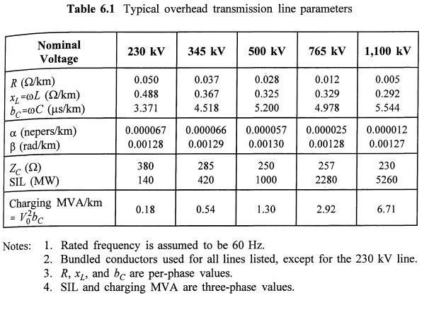
From | To | kV | Length (km) | Conductor Type
Koshi | Madesh
Kushaha | Rupani | 132 | 35 | Bear | DC
Madesh | Bagmati
Dhalkebar | Khimti | 230 | 75 | Bison | DC
Patlaiya | Hetauda | 130 | 40 | 250 mm2 | DC
Bagmati | Gandaki
New Bharatpur | Kawasoti | 132 | 70 | 200 mm2 | SC | Bear
New Bharatpur | Marsyangdi | 132 | 25 | 300 mm2 | DC | Moose
New Bharatpur | Damauli | 132 | 39 | 150 mm2 | SC
Marsyangdi | Matatirtha | 132 | 84 | 300 MM2 | SC
Gandaki | Lumbini
Kawasoti | Bardaghat | 132 | 34 | 200mm2 | SC
Kaligandaki | Butwal | 132 | 38 | 300mm2 | DC
Lumbini | Sudurpashim |  |  |  |  |  | Use 230kV data for transmission voltage level below it.
Bhurigaon | Lamki | 132 | 33 | 250mm2 | DC

